Sheet1
0.059725 | (spaghetti, mineral water)
0.052660 | (chocolate, mineral water)
0.050927 | (mineral water, eggs)
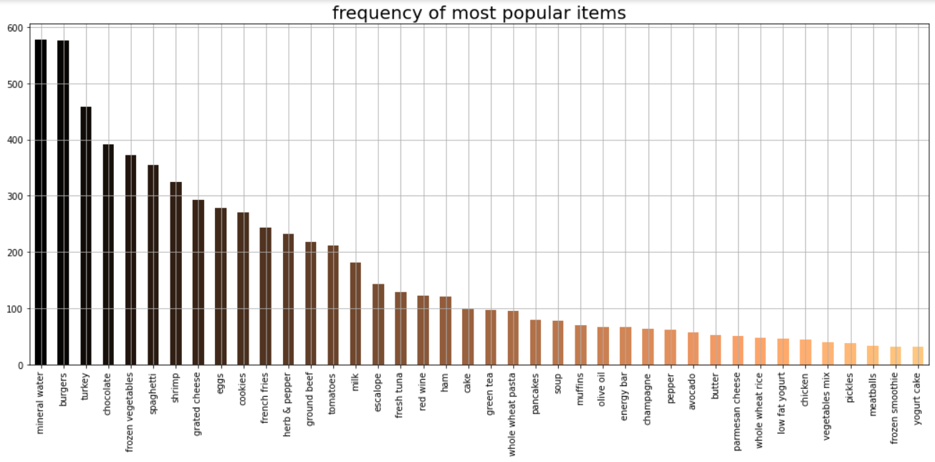
0.047994 | (mineral water, milk)
0.040928 | (ground beef, mineral water)
0.039195 | (spaghetti, chocolate)
0.039195 | (spaghetti, ground beef)
0.036528 | (spaghetti, eggs)
0.036395 | (french fries, eggs)
0.035729 | (frozen vegetables, mineral water)
0.035462 | (spaghetti, milk)
0.034395 | (french fries, chocolate)
0.033729 | (french fries, mineral water)
0.033729 | (mineral water, pancakes)
0.033196 | (chocolate, eggs)
0.032129 | (chocolate, milk)
0.031063 | (green tea, mineral water)
0.030796 | (eggs, milk)
0.028796 | (burgers, eggs)
0.028530 | (green tea, french fries)
0.027863 | (spaghetti, frozen vegetables)
0.027596 | (olive oil, mineral water)
0.027596 | (spaghetti, french fries)

